Application Requirements
ESRS | Disclosure Requirement No. | Application Requirement | Information of Appendix A each ESRS
ESRS 2 | BP-1 | General basis for preparation of the sustainability statement | AR 1. When describing to what extent the sustainability statement covers the undertaking’s upstream and downstream value chain (see ESRS 1 section 5.1 Reporting undertaking and value chain), the undertaking may distinguish between: (a) the extent to which its materiality assessment of impacts, risks and opportunities extends to its upstream and/or downstream value chain; (b) the extent to which its policies, actions and targets extend to its value chain; and (c) the extent to which it includes upstream and/or downstream value chain data when disclosing on metrics.
ESRS 2 | BP-2 | Disclosures in relation to specific circumstances | AR 2. The undertaking may disclose whether it relies on any European standards approved by the European Standardisation System (ISO/IEC or CEN/CENELEC standards), as well as the extent to which data and processes that are used for sustainability reporting purposes have been verified by an external assurance provider and found to conform to the corresponding ISO/IEC or CEN/CENELEC standard
ESRS 2 | GOV-1 | The role of the administrative, management and supervisory bodies | AR 3. In describing the role and responsibilities of the administrative, management and supervisory bodies with regard to sustainability matters, the undertaking may specify: (a) the aspects of sustainability over which oversight is exercised with regard to the environmental, social and governance matters the undertaking may be facing, including: i. any assessment of and changes to sustainability-related aspects of the undertaking’s strategy and business model; ii. the identification and assessment of material risks, opportunities and impacts; iii. related policies and targets, action plans and dedicated resources; and iv. sustainability reporting; (b) the form such oversight takes for each of the above aspects: i.e., information, consultation or decision-making; and (c) the way such oversight is organised and formalised, i.e., processes by which the administrative, management and supervisory bodies engage with these aspects of sustainability. AR 4. In describing the undertaking’s organisation of governance regarding sustainability matters, a description of complex governance structure may be complemented by their presentation in the form of a diagram. AR 5. The description of the level of expertise or access to expertise of the administrative, management and supervisory bodies may be substantiated by illustrating the composition of the bodies, including members on whom these bodies rely for expertise to oversee sustainability matters, and how they leverage that expertise as a body. In the description, the undertaking shall consider how the expertise and skills are relevant to the undertaking’s material impacts, risks and opportunities and whether the bodies and/or its members have access to other sources of expertise, such as specific experts and training and other educational initiatives to update and develop sustainability-related expertise within these bodies.
ESRS 2 | GOV-2 | Information provided to and sustainability matters addressed by the undertaking’s administrative, management and supervisory bodies | AR 6. Depending on the undertaking’s structure, the administrative, management and supervisory bodies may focus on overarching targets, while management focuses on the more detailed targets. In this case, the undertaking may disclose how the governance bodies ensure that an appropriate mechanism for performance monitoring is in place.
ESRS 2 | GOV-3 | Integration of sustainability-related performance in incentive schemes | AR 7. For listed undertakings, this Disclosure Requirement should be consistent with the remuneration report prescribed in articles 9a and 9b of Directive 2007/36/EC on the exercise of certain rights of shareholders in listed companies. Subject to the provisions of ESRS 1, paragraphs 119, 120 and 122, a listed undertaking may make a reference to its remuneration report.
ESRS 2 | GOV-4 | Statement on due diligence | AR 8. The mapping required by paragraph 30 may be presented in the form of a table, cross-referencing the core elements of due diligence, for impacts on people and the environment, to the relevant disclosures in the undertaking’s sustainability statement, as set out below. AR 9. The undertaking may include additional columns to the table below to clearly identify those disclosures that relate to impacts on people and/or the environment given that, in some cases, more than one disclosure may provide information about the same due diligence step. AR 10. The main references in the international instruments of the UN Guiding Principles on Business and Human Rights and the OECD Guidelines for Multinational Enterprises to the core elements of the due diligence process are listed in ESRS 1 chapter 4. | 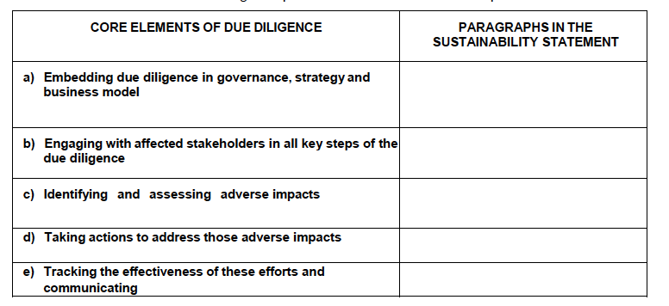
ESRS 2 | GOV-5 | Risk management and internal controls over sustainability reporting | AR 11. This Disclosure Requirement focuses solely on the internal control processes over the sustainability reporting process. The undertaking may consider risks such as the completeness and integrity of the data, the accuracy of estimation results, the availability of upstream and/or downstream value chain data, and the timing of the availability of the information.
ESRS 2 | SBM-1 | Strategy, business model and value chain | AR 12. To provide the information on sectors required by paragraph 40, the undertaking shall map its significant activities in accordance with ESRS sectors. If a code for a sub-sector does not exist, the caption “others” shall be used. AR 13. For the purposes of the disclosures required in paragraph 40, a group of products and/or services offered, a group of markets and/or customer groups served, or an ESRS sector, is significant for the undertaking if it meets one or both of the following criteria: (a) it accounts for more than 10 per cent of the undertaking’s revenue; (b) it is connected with material actual impacts or material potential negative impacts of the undertaking. AR 14. In preparing disclosures relating to its business model and value chain, the undertaking shall consider: (a) its key activities, resources, distribution channels and customer segments; (b) its key business relationships and their key characteristics, including relationships with customers and suppliers; (c) the cost structure and revenue of its business segments, in line with IFRS 8 disclosure requirements in the financial statement, where applicable; (d) the potential impacts, risks and opportunities in its significant sector(s) and their possible relationship to its own business model or value chain. AR 15. Contextual information may be particularly relevant for users of the undertaking’s sustainability statement, to understand to what extent the disclosures include upstream and/or downstream value chain information. The description of the main features of the upstream and/or downstream value chain and where applicable the identification of key value chains should support an understanding of how the undertaking applies the requirements of ESRS 1 chapter 5 and the materiality assessment performed by the undertaking in line with ESRS 1 chapter 3. The description may provide a high-level overview of the key features of upstream and/or downstream value chain entities indicating their relat
ESRS 2 | SBM-2 | Interests and views of stakeholders | AR 16. The views and interests of stakeholders that are expressed as part of the undertaking’s engagement with stakeholders through its due diligence process may be relevant to one or more aspects of its strategy or business model. As such, they may affect the undertaking’s decisions regarding the future direction of the strategy or business model.
ESRS 2 | SBM-3 | Material impacts, risks and opportunities and their interaction with strategy and business model | AR 17. When describing where in its upstream and/or downstream value chain material impacts, risks and opportunities are concentrated, the undertaking shall consider: geographical areas, facilities or types of assets, inputs, outputs and distribution channels. AR 18. This disclosure may be expressed in terms of a single impact, risk or opportunity or by aggregating groups of material impacts, risks and opportunities, when this provides more relevant information and does not obscure material information.
ESRS 2 | IRO-2 | Disclosure Requirements in ESRS covered by the undertaking’s sustainability statement | AR 19. Notwithstanding the basis for the presentation of the information about sustainability matters included in ESRS 1 chapter 8 Structure of sustainability statement, the undertaking may disclose the list of the Disclosure Requirements complied with in preparing the sustainability statement (see paragraph 54) in the general information part or in other parts of the sustainability statement as it deems appropriate. The undertaking may use a content index, i.e., a tabular list of the Disclosure Requirements included in the sustainability statement, with the indication of where they are located (page/paragraphs).
ESRS 2 | MDR-P | Policies adopted to manage material sustainability matters | AR 20. Due to the interdependency between impacts on people and the environment, risks and opportunities, a single policy may apply to several material sustainability matters, including matters addressed by more than one topical ESRS. For example, if a single policy covers both an environmental matter and a social matter, the undertaking may report on the policy in the environmental section of its sustainability statement. In this case, it should include in the social section a cross-reference to the environmental section where the policy is reported. Equally a policy may be reported in the social section with a cross-reference to it in the environmental section. AR 21. The description of the scope of the policy may explain which activities and/or segments of the undertaking’s own operations or upstream and downstream value chain it concerns. The description may also explain further boundaries relevant to the specific topic or the undertaking’s circumstances, which may include geographies, life cycles, etc. In certain cases, such as if the policy does not cover the full value chain, the undertaking may provide clear information regarding the extent of the value chain covered by the policy
ESRS 2 | MDR-A | Actions and resources in relation to material sustainability matters | AR 22. Key actions in the context of this Minimum Disclosure Requirement are those actions that materially contribute to achieving the undertaking’s objectives in addressing material impacts, risks and opportunities. For reasons of understandability, key actions may be aggregated where appropriate. AR 23. Information on resource allocation may be presented in the form of a table and broken down between capital expenditure and operating expenditure, and across the relevant time horizons, and between resources applied in the current reporting year and the planned allocation of resources over specific time horizons.
ESRS 2 | MDR-T | Targets MDR-T – Tracking effectiveness of policies and actions through targets | AR 24. When disclosing targets related to the prevention or mitigation of environmental impacts, the undertaking shall prioritise targets related to the reduction of the impacts in absolute terms rather than in relative terms. When targets address the prevention or mitigation of social impacts, they may be specified in terms of the effects on human rights, welfare or positive outcomes for affected stakeholders. AR 25. The information on progress made towards achieving the targets may be presented in a comprehensive table, including information on the baseline and target value, milestones, and achieved performance over the prior periods. AR 26. Where the undertaking describes progress in achieving the objectives of a policy in the absence of a measurable target, it may specify a baseline against which the progress is considered. For example, the undertaking may assess an increase of wages by a certain percentage for those below a fair wage; or may assess the quality of its relationships with local communities by reference to the proportion of issues raised by communities that were resolved to their satisfaction. The baseline and the assessment of the progress shall be related to the impacts, risks and opportunities which underpin the materiality of the matter addressed by the policy.
E1 | Related to ESRS 2 IRO-1 |  | AR 9. When disclosing the information on the processes to identify and assess climate impacts as required under paragraph 20 (a), the undertaking shall explain how it has: (a) screened its activities and plans in order to identify actual and potential future GHG emission sources and, if applicable, drivers for other climate-related impacts (e.g., emissions of black carbon or tropospheric ozone or land-use change) in own operations and along the value chain; and (b) assessed its actual and potential impacts on climate change (i.e., its total GHG emissions). AR 10. The undertaking may link the information disclosed under paragraphs 20 (a) and AR 9 to the information disclosed under the following Disclosure Requirements: Disclosure Requirement E1-1, paragraph 16 (d) on locked-in GHG emissions; Disclosure Requirement E1-4 and Disclosure Requirement E1-6. AR 11. When disclosing the information on the processes to identify and assess physical risks as required under paragraph 20 (b), the undertaking shall explain whether and how: (a) it has identified climate-related hazards (see table below) over the short-, medium- and long-term and screened whether its assets and business activities may be exposed to these hazards; (b) it has defined short-, medium- and long-term time horizons and how these definitions are linked to the expected lifetime of its assets, strategic planning horizons and capital allocation plans; (c) it has assessed the extent to which its assets and business activities may be exposed and are sensitive to the identified climate-related hazards, taking into consideration the likelihood, magnitude and duration of the hazards as well as the geospatial coordinates (such as Nomenclature of Territorial Units of Statistics- NUTS for the EU territory) specific to the undertaking’s locations and supply chains; and (d) the identification of climate-related hazards and the assessment of exposure and sensitivity are informed by high emissions climate scenarios, which | 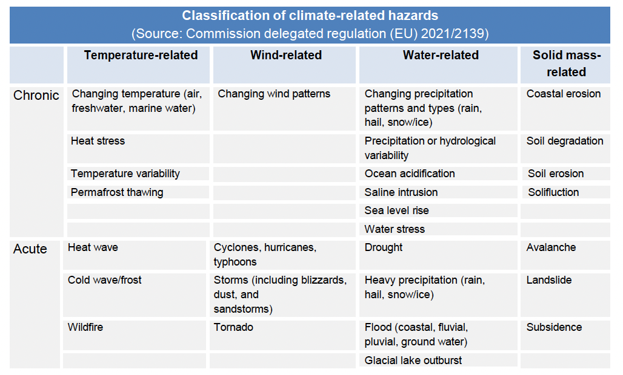 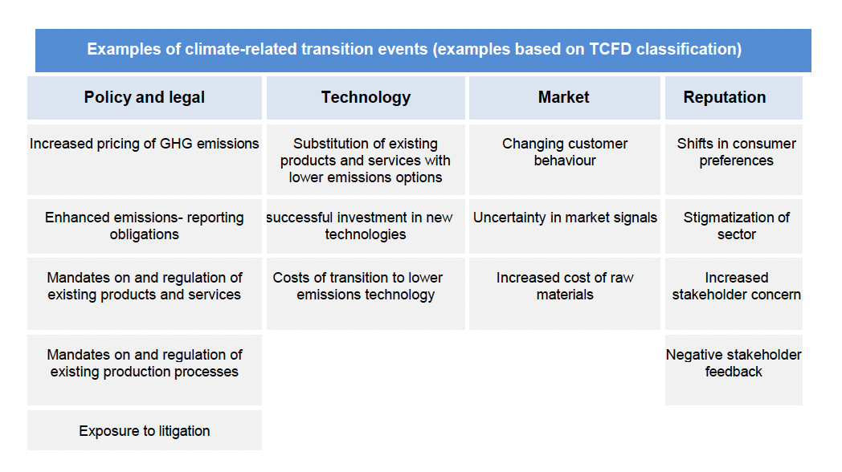
E2 | Related to ESRS 2 IRO-1 | Description of the processes to identify and assess material pollution-related impacts, risks and opportunities | AR 1. When conducting a materiality assessment on environmental subtopics, the undertaking shall assess the materiality of pollution in its own operations and its upstream and downstream value chain, and may consider the four phases below, also known as the LEAP approach: (a) Phase 1: locate where in its own operations and its upstream and downstream value chain the interface with nature takes place; (b) Phase 2: evaluate the pollution-related dependencies and impacts; (c) Phase 3: assess the material risks and opportunities; and (d) Phase 4: prepare and report the results of the materiality assessment. AR 2. The materiality assessment for ESRS E2 corresponds to the first three phases of this LEAP approach. The fourth phase addresses the outcome of the process. AR 3. The process to assess the materiality of impacts, dependencies, risks and opportunities shall consider the provisions in ESRS 2 IRO-1 Description of the processes to identify and assess material impacts, risks and opportunities, and IRO-2 Disclosure Requirements in ESRS covered by the undertaking’s sustainability statement. AR 4. The sub-topics covered by the materiality assessment under ESRS E2 include: (a) pollution of air, water and soil (excluding GHG emissions and waste), microplastics, and substances of concern; (b) dependencies on ecosystem services that help to mitigate pollution-related impacts. AR 5. In Phase 1, to locate where in its own operations and its upstream and downstream value chain the interface with nature takes place, the undertaking may consider: (a) the site locations of direct assets and operations and related upstream and downstream activities across the value chain; (b) the site locations where emissions of water, soil and air pollutants occur; and (c) the sectors or business units related to those emissions or to the production, use, distribution, commercialisation and import/export of microplastics, substances of concern, and substances of very high concern, on their own, i

E3 | Related to ESRS 2 IRO-1 | Description of the processes to identify and assess material water and marine resources-related impacts, risks and opportunities | AR 1. When conducting a materiality assessment on environmental subtopics, the undertaking shall assess the materiality of water and marine resources in its own operations and its upstream and downstream value chain, and may consider the four phases below, also known as the LEAP approach: (a) Phase 1: locate where in its own operations and along the value chain the interface with nature takes place; (b) Phase 2: evaluate the dependencies and impacts; (c) Phase 3: assess the material risks and opportunities; and (d) Phase 4: prepare and report the results of the materiality assessment. AR 2. The materiality assessment for ESRS E3 corresponds to the first three phases of this LEAP approach, the fourth phase addresses the outcome of the process. AR 3. The processes to assess the materiality of impacts, risks and opportunities shall consider the provisions in ESRS 2 IRO-1 Description of the processes to identify and assess material impacts, risks and opportunities, and IRO-2 Disclosure Requirements in ESRS covered by the undertaking’s sustainability statement. AR 4. The sub-topics related to water and marine resources covered by the materiality assessment include: (a) water, which encompasses the consumption of surface water, groundwater, as well as withdrawals and discharges of water; and (b) marine resources, which encompasses the extraction and use of such resources and associated economic activities. AR 5. In phase 1, to locate where there are areas at water risk, and areas where there is an interface with marine resources that could lead to material impacts and dependencies in its own operations and along its upstream and downstream value chain, the undertaking may consider: (a) the locations of direct assets and operations and related upstream and downstream activities across the value chain; (b) the sites located in areas at water risk, including areas of high-water stress; and (c) the sectors or business units that are interfacing with water or marine resources

E4 | Related to ESRS 2 IRO-1 | Description of the processes to identify and assess material biodiversity and ecosystem-related impacts, risks and opportunities | AR 4. The materiality assessment under ESRS E4 includes the undertaking’s: (a) contribution to direct impact drivers on biodiversity loss88: i. climate change; ii. land-use change (e.g., land artificialisation), freshwater-use change and sea-use change; iii. direct exploitation; iv. invasive alien species; v. pollution; and vi. others. (b) impacts on the state of species (i.e., species population size, species global extinction risk); (c) impacts on the extent and condition of ecosystems including through land degradation, desertification and soil sealing); and (d) impacts and dependencies on ecosystem services. AR 5. When assessing the materiality of impacts, dependencies, risks and opportunities the undertaking shall consider the provisions in ESRS 2 IRO-1 and ESRS 1 Chapter 3 Double materiality as the basis for sustainability disclosures and describe its considerations. AR 6. The undertaking shall assess the materiality of biodiversity and ecosystems in its own operations and its upstream and downstream value chain, and may conduct its materiality assessment in line with the first three phases of the LEAP approach: Locate (paragraph AR 7), Evaluate (paragraph AR 8) and Assess (paragraph AR 9). AR 7. Phase 1 relates to the localisation of relevant sites regarding its interface with biodiversity and ecosystems. To identify these relevant sites the undertaking may: (a) develop a list of locations of direct assets and operations and related upstream and downstream value chain that are relevant to the undertakings business activities. Furthermore, the undertaking may provide information about sites for which future operations have been formally announced; (b) list the biomes and ecosystems it is interfacing with based on the list of locations identified under paragraph AR 7(a); (c) identify the current integrity and importance of biodiversity and ecosystem at each location taking into consideration the information provided in paragraphs 16 and 17; (d) develop a list o | 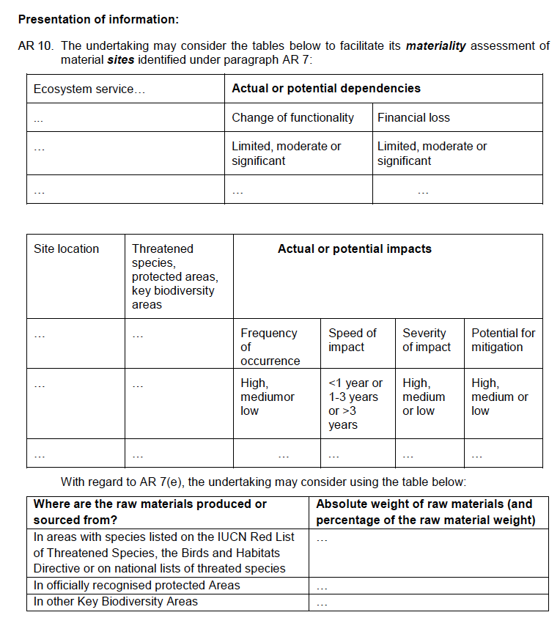

E5 | Related to ESRS 2 IRO-1 | Description of the processes to identify and assess material resource use and circular economy-related impacts, risks and opportunities | AR 1. When conducting a materiality assessment on environmental subtopics, the undertaking shall assess the materiality of resource use and circular economy in its own operations and its upstream and downstream value chain, and may consider the four phases below, also known as the LEAP approach: (a) Phase 1: locate where in the undertaking’s own operations and along its upstream and downstream value chain the interface with nature takes place; (b) Phase 2: evaluate the dependencies and impacts; (c) Phase 3: assess the material risks and opportunities; (d) Phase 4: prepare and report the results of the materiality assessment. AR 2. With regard to ESRS E5, phases 1 and 2 rely mainly on the materiality assessments conducted under ESRS E1 (including energy consumption), ESRS E2 (pollution), ESRS E3 (marine resources, water consumption) and ESRS E4 (biodiversity, ecosystems, raw materials). Indeed, circular economy eventually aims at reducing the environmental impact of the use of products, materials and other resources, minimizing waste and the release of hazardous substances and hence at reducing impacts on nature. This application requirement focuses mainly on the third phase of this LEAP approach, while the fourth phase addresses the outcome of the process. AR 3. The process to assess the materiality of impacts, dependencies, risks and opportunities shall consider the provisions in ESRS 2 IRO-1 Description of the processes to identify and assess material impacts, risks and opportunities and IRO-2 Disclosure Requirements in ESRS covered by the undertaking’s sustainability statement. AR 4. The sub-topics related to resource use and circular economy covered by the materiality assessment include: (a) resource inflows including the circularity of material resource inflows, considering resource use optimisation, intensity of materials and products and renewable and non-renewable resources; (b) resource outflows related to products and services; and (c) waste, including ha

